Sheet1
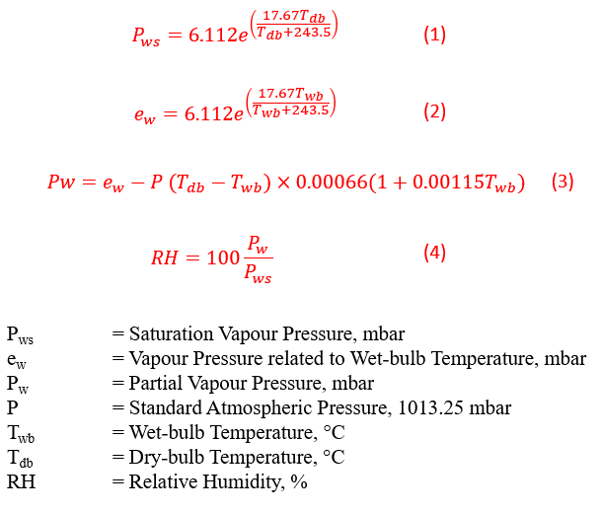
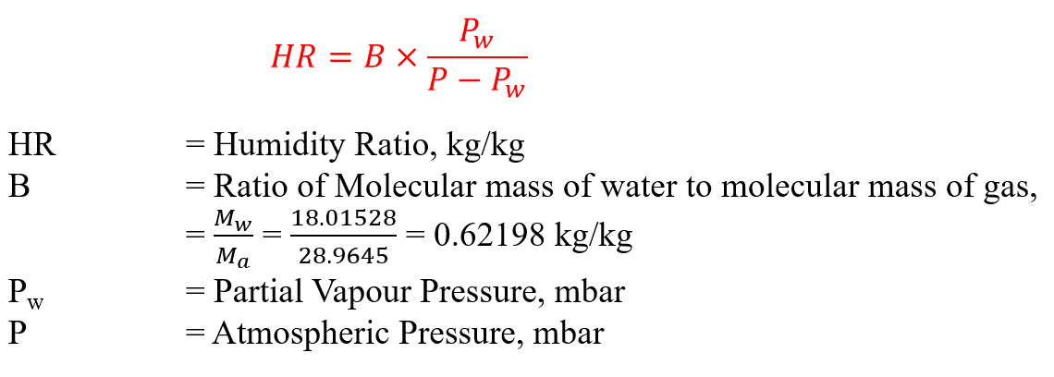
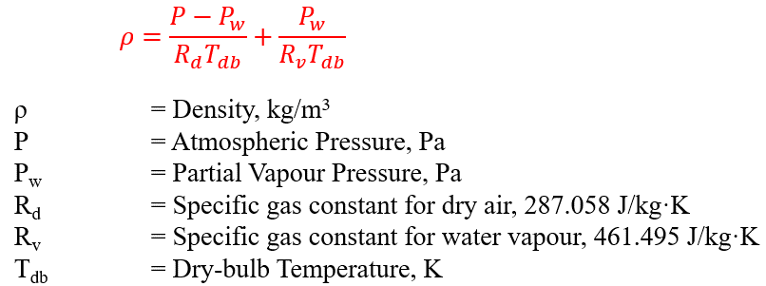
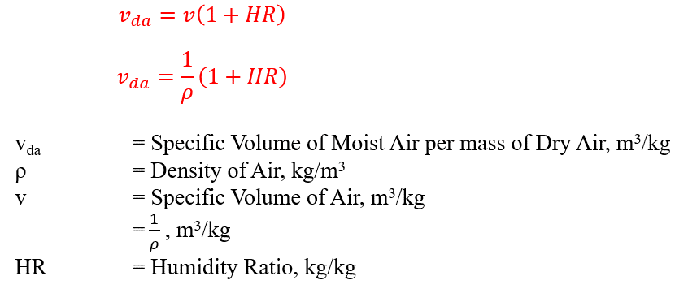
 | Condensate Flowrate Calculator

Airflow (CFM) | 5,000 | cfm

72.8
22.67
64
17.78
5,000
cfm
52.9
11.61
50.6
10.33

0.15
0.003360
usgpm
52.9

Leaving Air (Off-coil)
T Dry Bulb | 52.9 | °F | 284.761 | K | 11.61 | °C
T Wet Bulb | 50.6 | °F | 283.483 | K | 10.33 | °C
Vapour Pressure related to wet-bulb Temp., ew | 12.55 | mbar | 1.255 | kPa
Water Vapour Saturation Pressure, Pws (Pa) | 1366.47 | Pa
Water Vapour Partial Pressure, Pw | 11.68 | mbar | 1168.4 | Pa
P atm | 101,325 | Pa | 101.325 | kPa
Humidity Ratio, HR | 0.0072559 | kg/kg | 7.2559 | g/kg
Relative Humidty, % |  |  | 85.5021 | %
Density | 1.234 | kg/m3 | 0.077 | lb/ft3
Specific Volume of Air | 0.816 | m3/kg | 13.074 | ft3/lb

Entering Air
T Dry Bulb | 72.8 | °F | 295.817 | K | 22.67 | °C
T Wet Bulb | 64 | °F | 290.928 | K | 17.78 | °C
Vapour Pressure related to wet-bulb Temp., ew | 20.34 | mbar | 2.034 | kPa
Water Vapour Saturation Pressure, Pws (Pa) | 2752.30 | Pa
Water Vapour Partial Pressure, Pw | 17.00 | mbar | 1700.29 | Pa
P atm | 101,325 | Pa | 101.325 | kPa
Humidity Ratio, HR | 0.010616 | kg/kg | 10.6157 | g/kg
Relative Humidty, % |  |  | 61.78 | %
Density | 1.186 | kg/m3 | 0.074 | lb/ft3
Specific Volume of Air | 0.852 | m3/kg | 13.654 | ft3/lb

Difference in HR | 0.003360 | lb/lb
Mass Flowrate of Air | 382 | lb/min
Condensate Flowrate | 1.285 | lb/min
Condensate Flowrate | 0.15 | usgpm
Condensate Flowrate | 9.73 | mL/s

Formulae involved:

