Elbow Loss
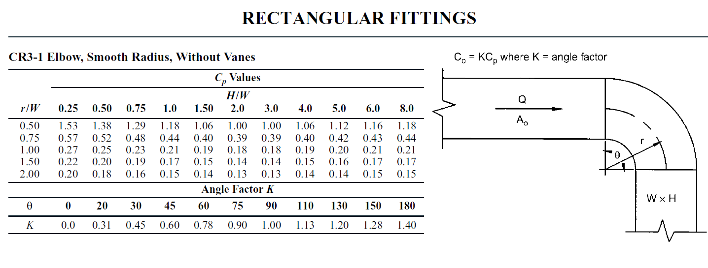
Turn Angle, θ (°) | 90
Duct Width, W (mm) | 400 | mm
Duct Height, H (mm) | 300 | mm
Air Flow (CFM) | 4700 | CFM
r/W | 1.0 | W
Air Velocity, Vc (FPM) | 3640 | FPM
Velocity Pressure, VP ("w.g.) | 0.826 | "w.g.
H/W | 0.75
Coefficient of Loss, CP | 0.230
Angle Factor, K | 1.0
Hydraulic Diameter, Dh (mm) | 343 | mm
Reynold Number, Re | 420,579 | (pre-corrected)
Pressure Drop due to Friction, ΔP | 0.190 | "w.g.
 | 47.498 | Pa

Coefficient of Loss, Cp Values
r/W H/W | 0.250 | 0.260 | 0.270 | 0.280 | 0.290 | 0.300 | 0.310 | 0.320 | 0.330 | 0.340 | 0.350 | 0.360 | 0.370 | 0.380 | 0.390 | 0.400 | 0.410 | 0.420 | 0.430 | 0.440 | 0.450
0.50 | 1.53000 | 1.52400 | 1.51800 | 1.51200 | 1.50600 | 1.50000 | 1.49400 | 1.48800 | 1.48200 | 1.47600 | 1.47000 | 1.46400 | 1.45800 | 1.45200 | 1.44600 | 1.44000 | 1.43400 | 1.42800 | 1.42200 | 1.41600 | 1.41000
0.55 | 1.33800 | 1.33280 | 1.32760 | 1.32240 | 1.31720 | 1.31200 | 1.30680 | 1.30160 | 1.29640 | 1.29120 | 1.28600 | 1.28080 | 1.27560 | 1.27040 | 1.26520 | 1.26000 | 1.25480 | 1.24960 | 1.24440 | 1.23920 | 1.23400
0.60 | 1.14600 | 1.14160 | 1.13720 | 1.13280 | 1.12840 | 1.12400 | 1.11960 | 1.11520 | 1.11080 | 1.10640 | 1.10200 | 1.09760 | 1.09320 | 1.08880 | 1.08440 | 1.08000 | 1.07560 | 1.07120 | 1.06680 | 1.06240 | 1.05800
0.65 | 0.95400 | 0.95040 | 0.94680 | 0.94320 | 0.93960 | 0.93600 | 0.93240 | 0.92880 | 0.92520 | 0.92160 | 0.91800 | 0.91440 | 0.91080 | 0.90720 | 0.90360 | 0.90000 | 0.89640 | 0.89280 | 0.88920 | 0.88560 | 0.88200
0.70 | 0.76200 | 0.75920 | 0.75640 | 0.75360 | 0.75080 | 0.74800 | 0.74520 | 0.74240 | 0.73960 | 0.73680 | 0.73400 | 0.73120 | 0.72840 | 0.72560 | 0.72280 | 0.72000 | 0.71720 | 0.71440 | 0.71160 | 0.70880 | 0.70600
0.75 | 0.57000 | 0.56800 | 0.56600 | 0.56400 | 0.56200 | 0.56000 | 0.55800 | 0.55600 | 0.55400 | 0.55200 | 0.55000 | 0.54800 | 0.54600 | 0.54400 | 0.54200 | 0.54000 | 0.53800 | 0.53600 | 0.53400 | 0.53200 | 0.53000
0.80 | 0.51000 | 0.50824 | 0.50648 | 0.50472 | 0.50296 | 0.50120 | 0.49944 | 0.49768 | 0.49592 | 0.49416 | 0.49240 | 0.49064 | 0.48888 | 0.48712 | 0.48536 | 0.48360 | 0.48184 | 0.48008 | 0.47832 | 0.47656 | 0.47480
...

